Sheet1
DATE | INV NO. | DESCRIPTIONS | QTY | BIILS | PRICE | SUBTOTAL | TOTAL
5-Nov-2025 | SI202511050008 | MEAT DUMPLINGS | 2 | 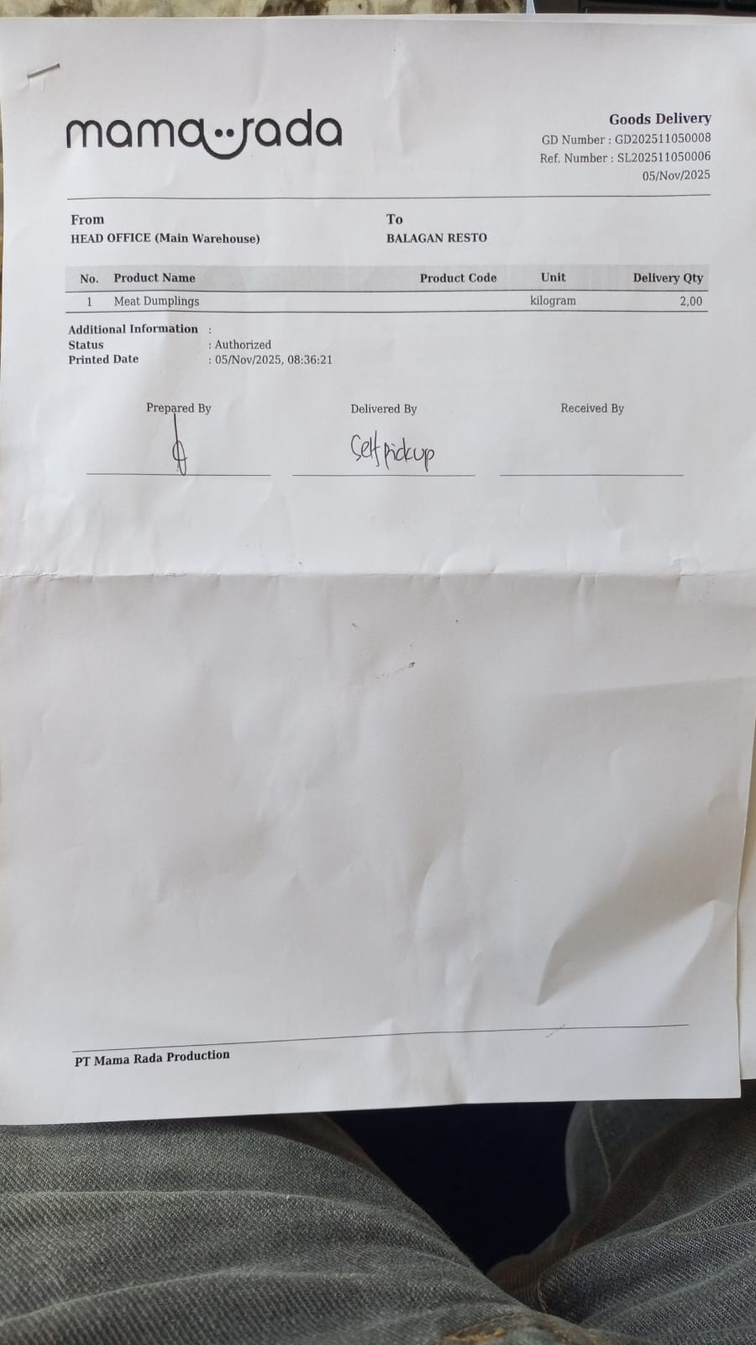 | IDR 160,000 | IDR 320,000 | IDR 320,000
 |  |  |  | GRAND TOTAL |  |  | IDR 320,000

